Test Cases - Funtional
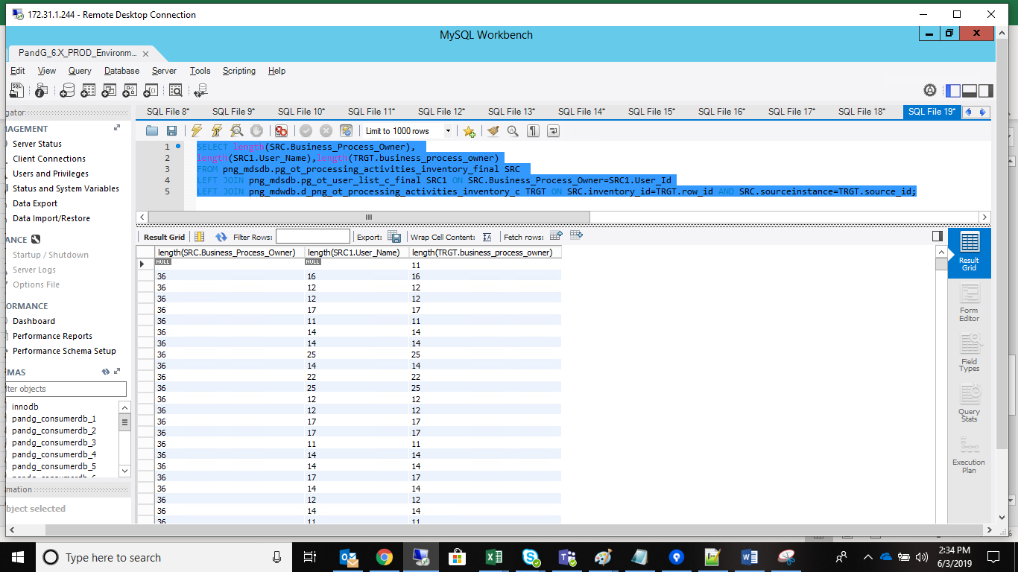
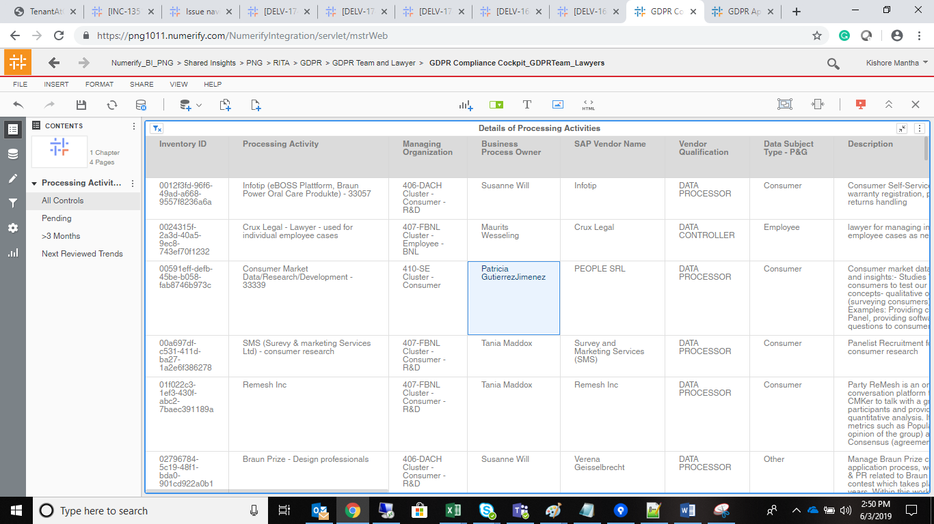
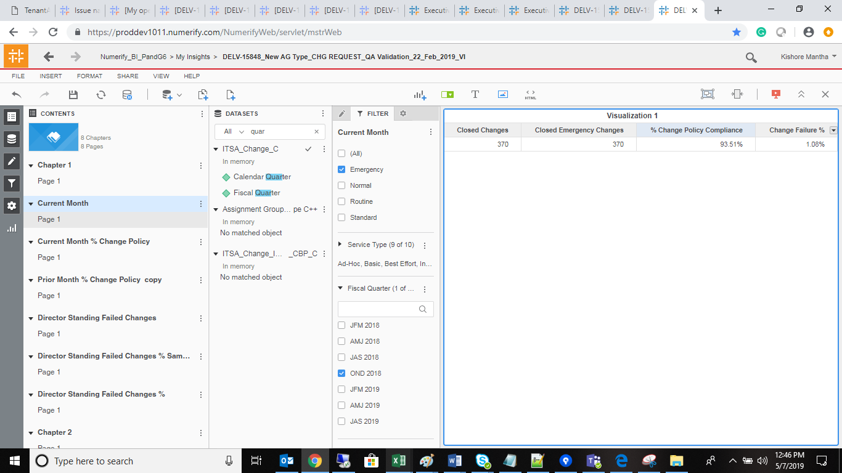
INDEX

TC_No | Test Case | Test Description | Expected Result | Actual Result | Result | Defect JIRA # | Comments
1 | DELV-16846 | P&G: CR 314: - One Trust Dashboard (Compliance Cockpit) - Business Process Owner field size increase | In compliance Cockpit Dashboard, there is a grid report "Details of Processing Activities", in that we have a "Business Process Owner" field. Size of this field is just 30 characters, we need to increase it to 80 characters. | Respective size has been increased | Pass

SELECT CASE WHEN CNT > 0 THEN 'FAILURE' ELSE 'SUCCESS' END as Result, CASE WHEN CNT > 0 THEN 'MDS to DWH data validation failed for d_png_ot_processing_activities_inventory_c.business_process_owner' ELSE 'SUCCESS' END as Message FROM ( SELECT Count(1) as CNT FROM png_mdsdb.pg_ot_processing_activities_inventory_final SRC LEFT JOIN png_mdsdb.pg_ot_user_list_c_final SRC1 ON SRC.Business_Process_Owner=SRC1.User_Id LEFT JOIN png_mdwdb.d_png_ot_processing_activities_inventory_c TRGT ON SRC.inventory_id=TRGT.row_id AND SRC.sourceinstance=TRGT.source_id WHERE CASE WHEN SRC1.User_Name IS NULL OR SRC1.User_Name ='' THEN 'UNSPECIFIED' ELSE SRC1.User_Name END<>TRGT.business_process_owner AND SRC.cdctype='X') temp; |  |  |  | SELECT CASE WHEN CNT > 0 THEN 'FAILURE' ELSE 'SUCCESS' END as Result, CASE WHEN CNT > 0 THEN 'MDS to DWH data validation failed for d_png_ot_processing_activities_inventory_c.business_process_owner' ELSE 'SUCCESS' END as Message FROM ( SELECT Count(1) as CNT FROM png_mdsdb.pg_ot_processing_activities_inventory_final SRC LEFT JOIN png_mdsdb.pg_ot_user_list_c_final SRC1 ON SRC.Business_Process_Owner=SRC1.User_Id LEFT JOIN png_mdwdb.d_png_ot_processing_activities_inventory_c TRGT ON SRC.inventory_id=TRGT.row_id AND SRC.sourceinstance=TRGT.source_id WHERE CASE WHEN SRC1.User_Name IS NULL OR SRC1.User_Name ='' THEN 'UNSPECIFIED' ELSE SRC1.User_Name END=TRGT.business_process_owner AND SRC.cdctype='X') temp;

SELECT length(SRC.Business_Process_Owner), length(SRC1.User_Name),length(TRGT.business_process_owner) FROM png_mdsdb.pg_ot_processing_activities_inventory_final SRC LEFT JOIN png_mdsdb.pg_ot_user_list_c_final SRC1 ON SRC.Business_Process_Owner=SRC1.User_Id LEFT JOIN png_mdwdb.d_png_ot_processing_activities_inventory_c TRGT ON SRC.inventory_id=TRGT.row_id AND SRC.sourceinstance=TRGT.source_id;
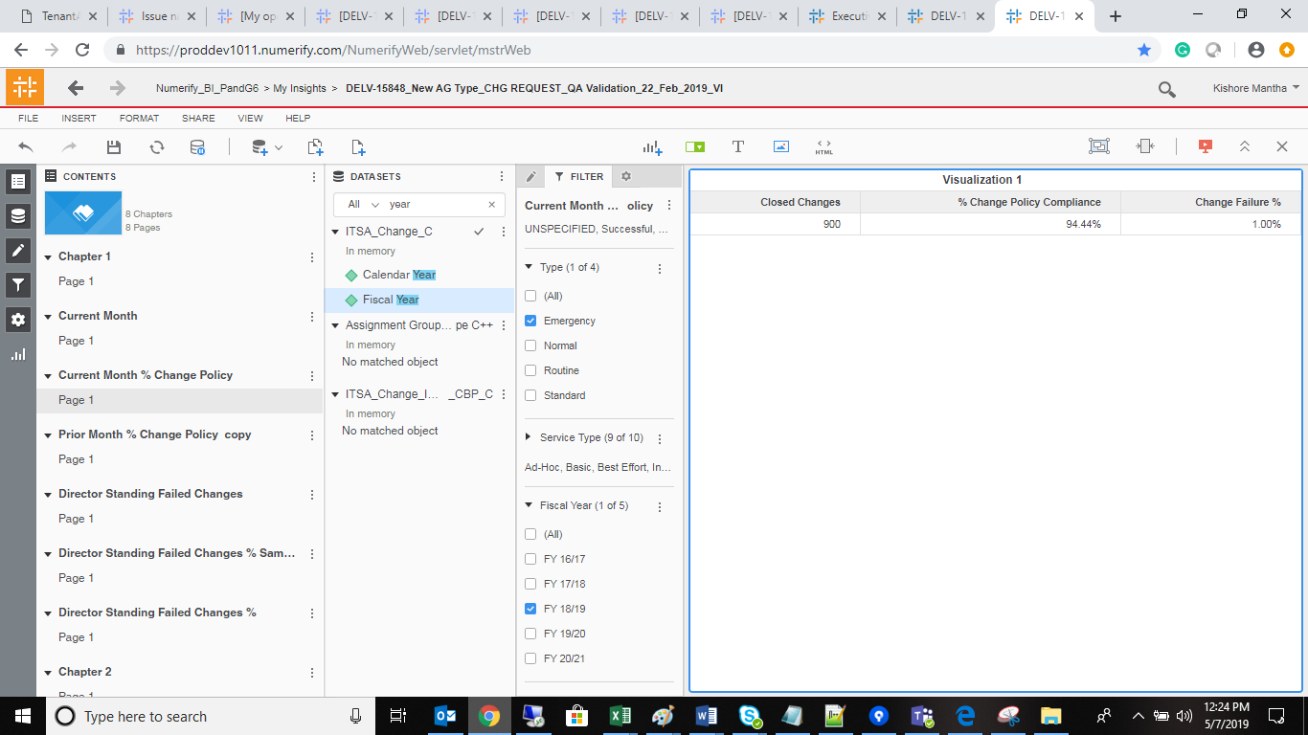

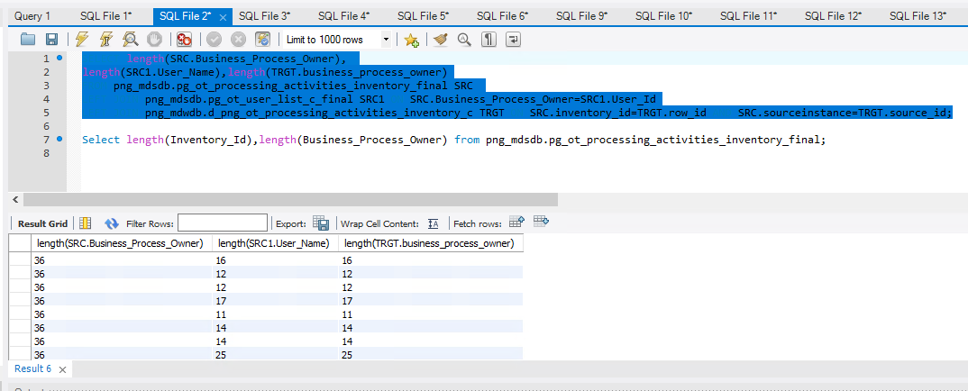

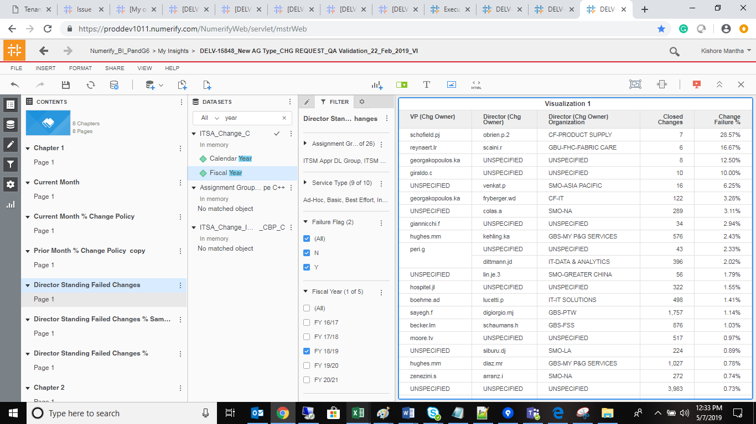

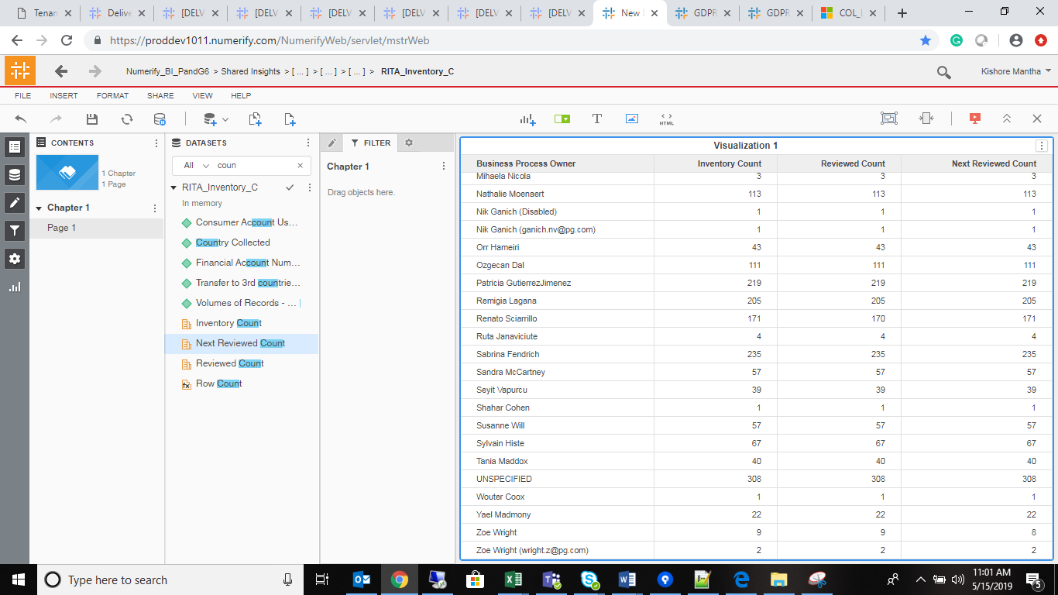
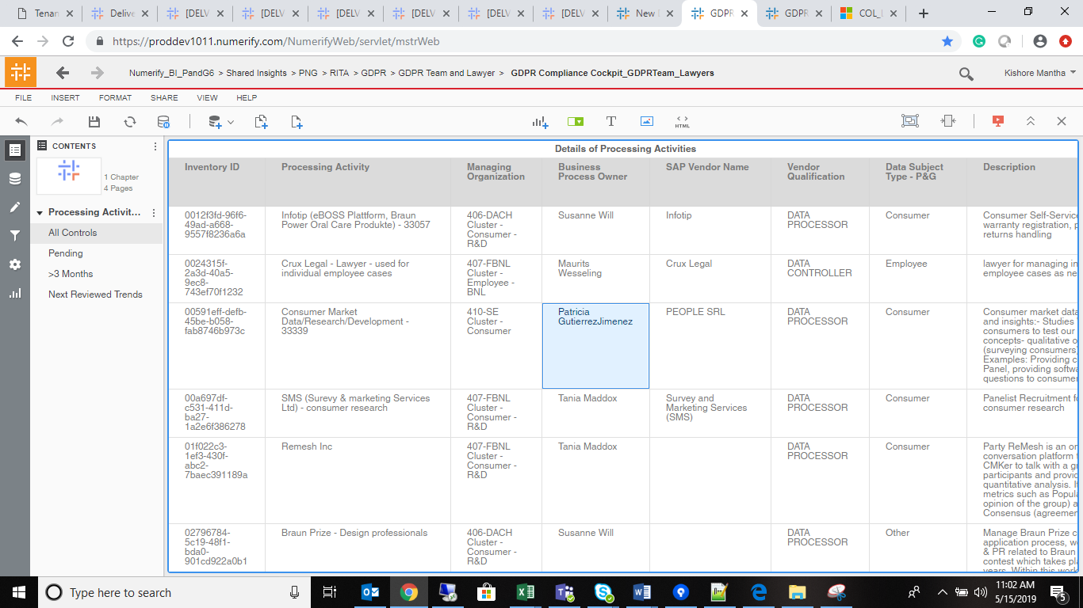

SELECT length(SRC.Business_Process_Owner), length(SRC1.User_Name),length(TRGT.business_process_owner) FROM png_mdsdb.pg_ot_processing_activities_inventory_final SRC LEFT JOIN png_mdsdb.pg_ot_user_list_c_final SRC1 ON SRC.Business_Process_Owner=SRC1.User_Id LEFT JOIN png_mdwdb.d_png_ot_processing_activities_inventory_c TRGT ON SRC.inventory_id=TRGT.row_id AND SRC.sourceinstance=TRGT.source_id;

